Conditions (outdated)
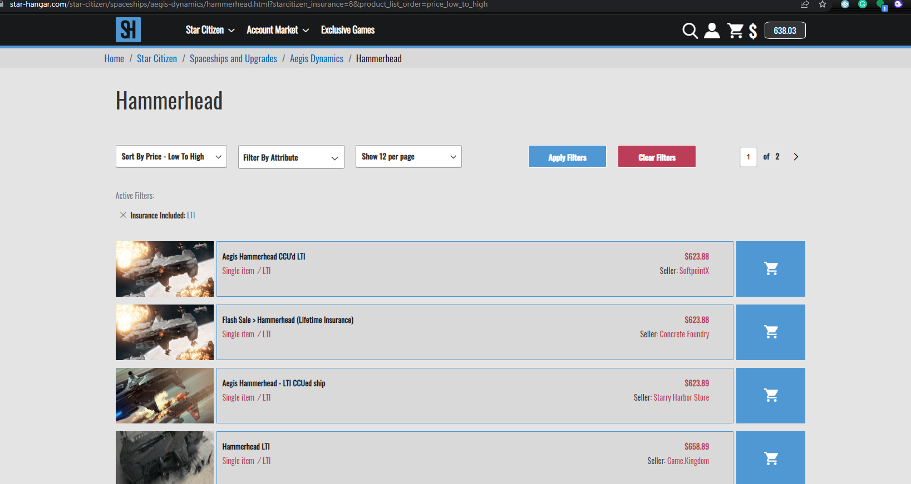
site: | https://star-hangar.com/ | Future Plans:
Condition checks: |  | Check for different insurance, same process
1 | Is item listed by "concrete foundry" within category | Automated Ability to set price to lowest
2 | are items from "concrete foundry" the lowest price within their category | Similiar function of different site (https://space-foundry.com/, very simliar)
3 | if lowest, by how much | Price checking funtion on different site (http://mrfats.mobiglas.com/ very different)
4 | if not lowest, by how much
5 | If even price with lowest, is first position on page?
Examples:
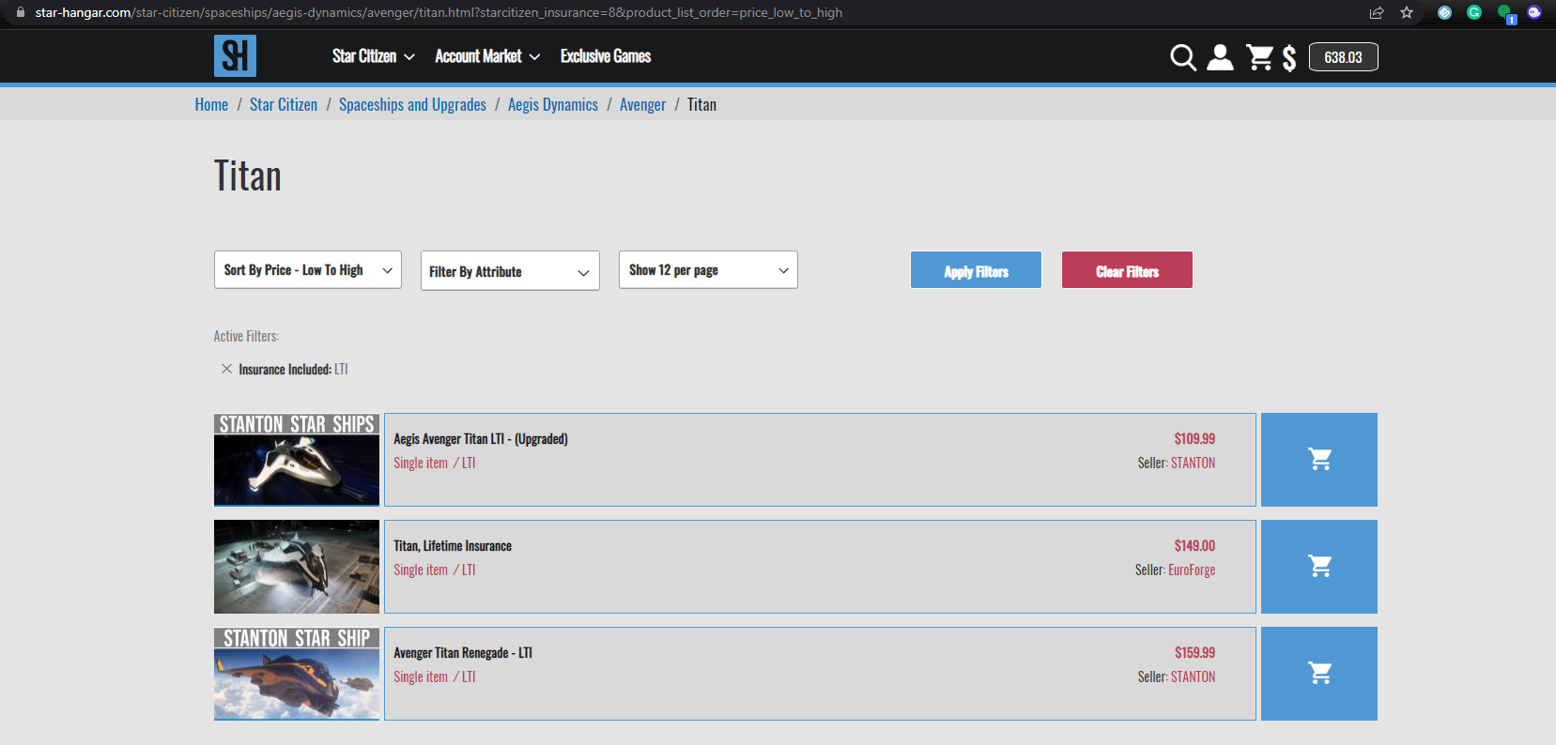
example 1: Failed 1, not listed

example 2: Passed 1, Failed 2 - item not lowest price. Over lowest price by $5.01

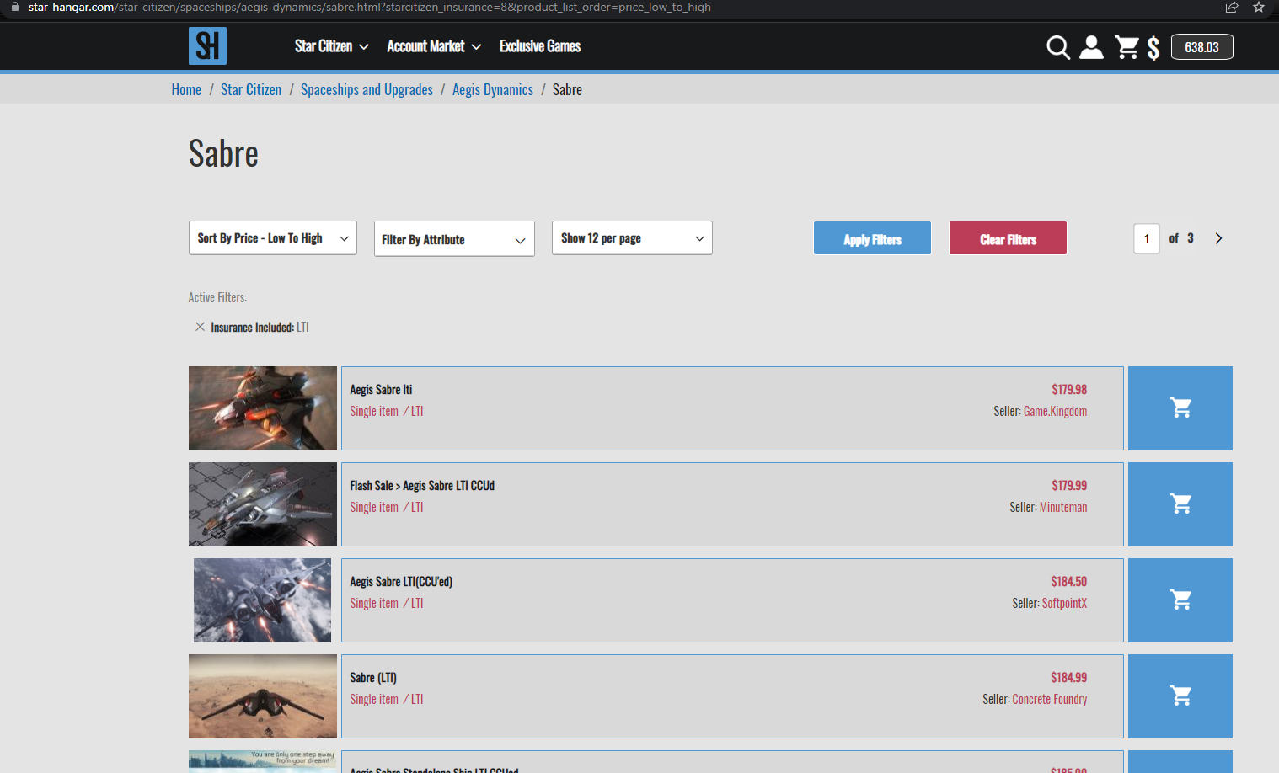

example 3: Passed 1 and 2, lowest by $.01
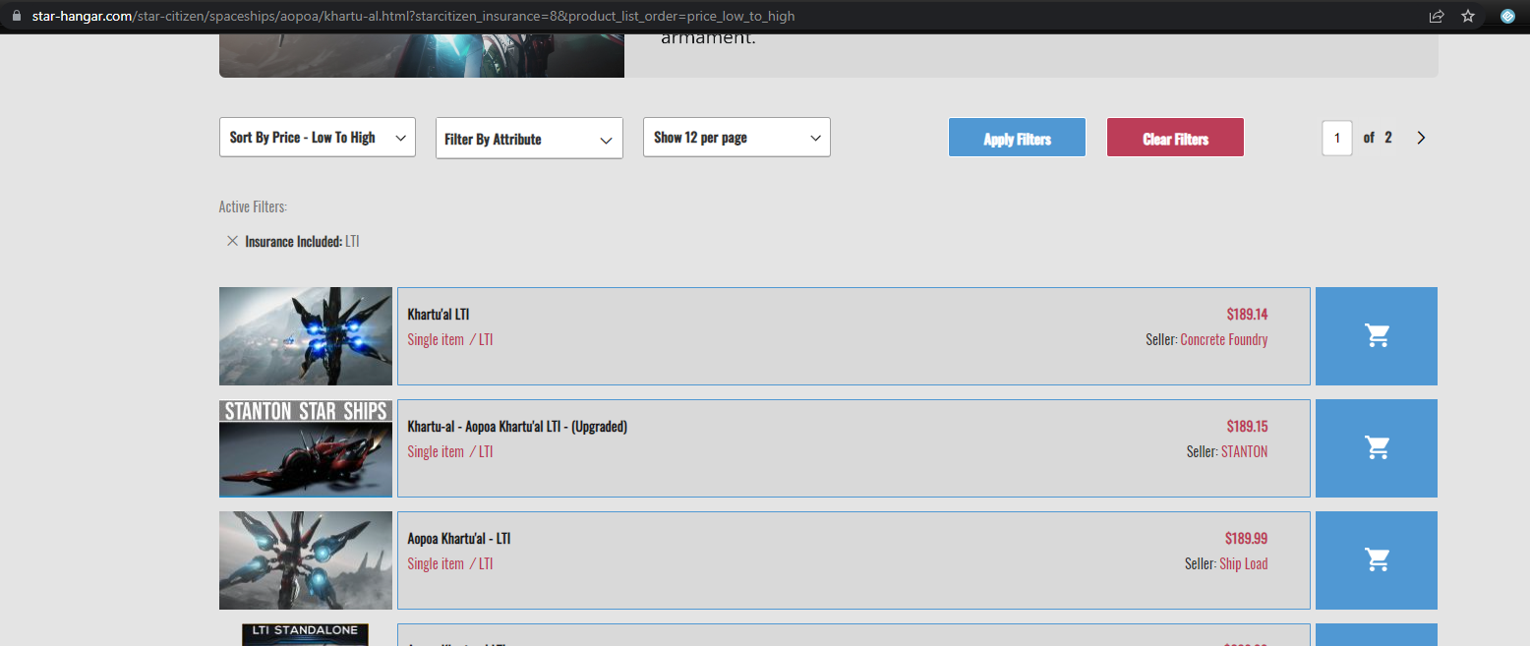

Example 4: Passed 1 and 2, lowest price by $0, failed 5 - not first position on page

